Sheet1
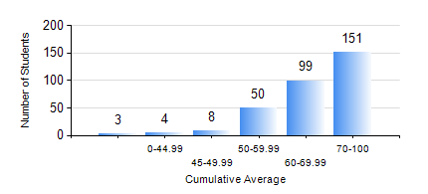
 |  |  | KWAME NKRUMAH UNIVERSITY OF SCIENCE AND TECHNOLOGY, KUMASI Department of Electrical/Electronic Engineering

 |  |  | BSC. ELECTRICAL/ELECTRONIC ENG.

 |  |  | COMPREHENSIVE RECORD OF EXAMINATION RESULTS

 |  |  | RESULTS OF YEAR 1 FIRST SEMESTER, 2020/2021 ACADEMIC YEAR

 | Sn | Course Code |  | Course Name | Credit Hours | Min. Mark | Max. Mark | Avg. Mark | Std. Dev. | No. Passed | No. Trailed | No. (Df) | No. (I) | No. (I*) | No. Tagged(I,I*,Df) | Total
 | 0. |  |  |  |  |  |  | 0 | 0 | 0 | 0 | 0 | 0 | 0 | 0 | 4
 | 1. | CE 155 |  | ENVIRONMENTAL STUDIES | 2 | 40 | 85 | 69 | 8.63 | 309 | 0 | 0 | 0 | 0 | 0 | 309
 | 2. | EE 151 |  | APPLIED ELECTRICITY | 3 | 5 | 97 | 69 | 16.09 | 307 | 4 | 0 | 0 | 0 | 0 | 311
 | 3. | EE 153 |  | ENGINEERING TECHNOLOGY | 2 | 22 | 98 | 83 | 10.77 | 308 | 2 | 0 | 0 | 0 | 0 | 310
 | 4. | ENGL 157 |  | COMMUNICATION SKILLS I | 2 | 18 | 89 | 70 | 9.47 | 308 | 1 | 0 | 0 | 0 | 0 | 309
 | 5. | MATH 151 |  | ALGEBRA | 4 | 16 | 95 | 69 | 13.52 | 307 | 2 | 0 | 0 | 0 | 0 | 309
 | 6. | ME 159 |  | TECHNICAL DRAWING | 2 | 21 | 90 | 63 | 10.96 | 306 | 2 | 0 | 1 | 0 | 1 | 309
 | 7. | ME 161 |  | BASIC MECHANICS | 3 | 10 | 94 | 59 | 16.12 | 301 | 10 | 0 | 0 | 0 | 0 | 311

